Sheet1
Noise Comparison: With Vs. Without DCF 25% Sampling

 |  | Base | SNR = 30dB | SNR = 20dB | SNR = 10dB

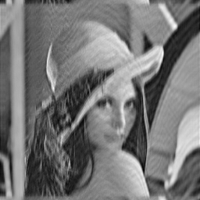
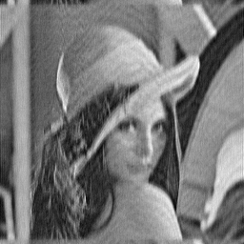

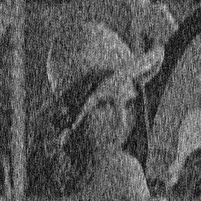
 | VDC





 |  |  | SSIM: 0.995646 | SSIM: 0.958898 | SSIM: 0.666137
 |  |  | PSNR: 34.6264 | PSNR: 25.4149 | PSNR: 14.6893
 | Radial w/o DCF





 |  |  | SSIM: 0.99909 | SSIM: 0.990374 | SSIM: 0.900021
 |  |  | PSNR: 37.4509 | PSNR: 28.952 | PSNR: 19.2833
 | Radial w/ DCF





 |  |  | SSIM: 0.301228 | SSIM: 0.0535981 | SSIM: 0.0234236
 |  |  | PSNR: 13.1762 | PSNR: 11.8503 | PSNR: 11.7077
 | Spiral w/o DCF





 |  |  | SSIM: 0.99933 | SSIM: 0.992051 | SSIM: 0.917169
 |  |  | PSNR: 39.7696 | PSNR: 31.4894 | PSNR: 20.0808
 | Spiral w/ DCF

 |  |  | SSIM: 0.266096 | SSIM: 0.054532 | SSIM: 0.0220293
 |  |  | PSNR: 13.7119 | PSNR: 12.7118 | PSNR: 12.5675

